Guideline
Guideline

A. Data
 | 1. STD:
 |  | - Periodic: update new standard cost by Jan & Jul (if any)
 |  | - Monthly: update additional product cost
 | 2. ZVF59 (sheet has name of month: Jan, Feb…):
 |  | - Check account 911330: balance is zero
 |  | - Check & confirm all documents have been posted into system
 |  | - Export data by T-code ZVF59 and copy to sheet of each month
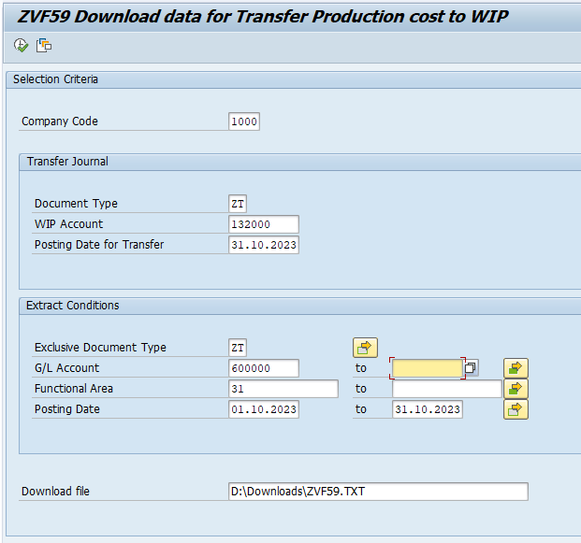
 |  |  |  | Document type: ZT (default)
 |  |  |  | WIP Account: 132000 (default)
 |  |  |  | Posting Date for Transfer, Posting Date: input as month period
 |  |  |  | Exclusive Document Type: ZT (default)
 |  |  |  | G/L Account: there was default manufactoring cost accounts (VAS 621 - 627). Add new account if any
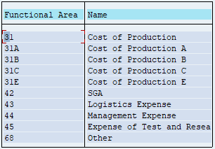
 |  |  |  | Functional Area:

 |  |  |  | Download file: Location to save exported ZVF59 txt file

 | 3. Direct material (sheet Tire Weight, DM-Sum)
 |  | - Update theoretical DM from file DM calculation
 |  | - Update Tyre weight tolerance from TS dept.
 | 4. Rework tire
 |  | - Update rework tire data from below link
 |  | Rework tire 2023
 | 5. Budget
 |  | - Update budget (OB/RBAC) production volume and RRT

B. Calculation
 | 1. FACTORY COST
 |  | - Choose month (refer to name CurMonth), year (refer to CurYear)
 |  | - Update Production RRT of previous month (refer to name PrvMonthProductionRRT) to check gap vs previous month
 |  | - Update budget (OB/RBAC) data in columns AT -> BE
 |  | - Ensure total amount transfer in ZVF59 equal total actual amount in Factory cost:
 |  |  | If amounts are different, please check:
 |  |  | + New/change account number
 |  |  | + Check formulas of sheet "Factory cost"
 |  | - Check and comment for gap of each item (vs OB/RBAC and vs Previous month)
 | 2. MFG COST SUMMARY
 |  | - Update products produced in month based on FG inventory report
 |  | Note: insert new line upper last product line to maintain sum formula
 |  | - Check and comment for all gap and different trend
 |  | - Update Ticket production volume and RRT (from PP-IE)
 | 3. COGM upload
 |  | - Ensure data correct with sheet "MFG COST SUMMARY"
 |  | - Update rework tire from sheet "Rework"
 | 4. Check with ZVF51
 |  | After uploading to ZVF51, check the adjustment of "GOODS RECEIPT (COGM - PREDETERMINED)" equal Actual vs standard in sheet "MFG COST SUMMARY"
 | 5. Report
 |  | This sheet supports management reports as FC Analysis, AIP Report…

